Examples
Drop-Down List Examples in Excel
https://www.vertex42.com/blog/help/excel-help/create-a-drop-down-list-in-excel.html |  |  |  |  |  |  |  | © 2017 Vertex42 LLC

This workbook contains examples from the article "Create a Drop-Down List in Excel" by Jon Wittwer. This Excel file and the content and code contained within is copyrighted and should be treated like other copyrighted material, such as a book. To share it or reference it, link to the article using the web page address listed above, but do not distribute the file or content within the file without permission. Thanks.

 | EXAMPLES

Steps to Create a Drop-Down List Using Data Validation
1) Select the cell, or range of cells, where you want to add the drop-down list.
2) Go to Data > Data Validation > Settings tab
3) Select "List" from the Allow: drop-down box
4) Enter your list in the Source: field using a comma to separate items, or select a range of cells from your worksheet.

Method | Best Use |  |  |  |  |  | Source examples
Comma-delimited list | Use this for very simple lists that will not change. Do not use an = sign in the Source field. |  |  |  |  |  | Y,N
 |  |  |  |  |  |  | yes,no
 |  |  |  |  |  |  | Jan,Feb,Mar,Apr,etc.
Cell range | Use this for simple spreadsheets with simple Source ranges that won't be changing. Simply select the range you want to use. |  |  |  |  |  | =$A$2:$A$5

Dynamic range | The Source field does not allow all types of formulas, but the OFFSET or INDIRECT or CHOOSE functions can be used. |  |  |  |  |  | =OFFSET($A$1,1,0,10,1)

Named range | Using a named range allows you to make a change to the defined name rather than to all the cells that refer to that range. |  |  |  |  |  | =My_Named_Range

A Very Simple Yes/No Drop-Down Box

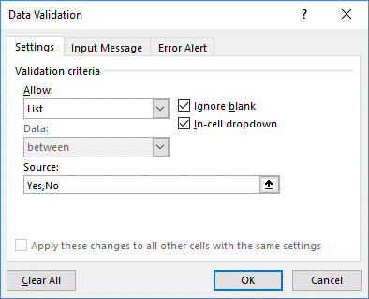
Example: | Yes

Using a Range as the Source for the Drop-Down List

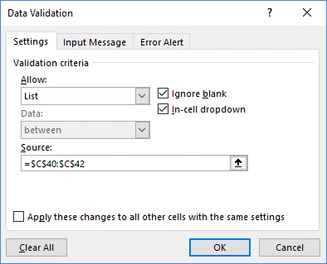
Example: | Monthly

 | Options
 | Yearly
 | Monthly
 | Weekly

Using a Named Range as the Source for the Drop-Down List

Go to Formulas > Name Manager to see the list of named ranges.


Example: | Expense

 | Type
 | Income
 | Expense
 | Transfer

Create a Check Box using a Drop-Down List

The list will ignore blanks if you enter text manually into the Source field (like " ,Yes,No"). So, if you want a blank value as an option, use a reference to a range as in the examples below.

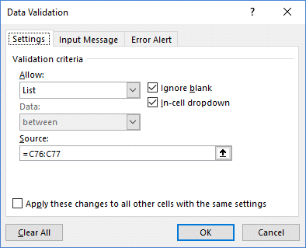
Examples: | X | ☐ | ✔ | √

 | Source | Source | Source | Source
 |  | ☐
 | X | ☑ | ✔ | √

TEMPLATE | See it in action: Task List Template
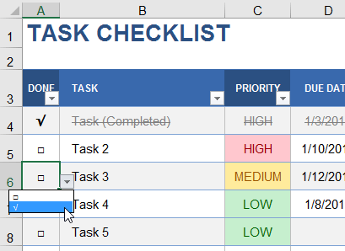

Using Relative References in the Source for a Drop-Down List

Usually, you'll want to use absolute references like $A$1:$A$10 for the Source in your drop-down list. However, there may be times when you want the drop-down source to change when you copy it. The example above uses a relative reference (no $ signs in the reference). This makes it easy to create other checkbox examples by just copying the cells to the right.

A Star-Rating Drop-Down Box

I discovered this trick while I was creating a feature comparison template and trying to come up with different ways of displaying symbols and icons. This technique uses the ★ unicode symbol.

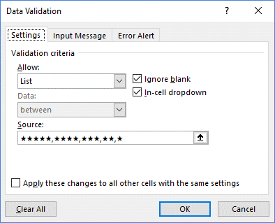
Example: | ★★★★★

TEMPLATE | See it in action: Feature Comparison Template
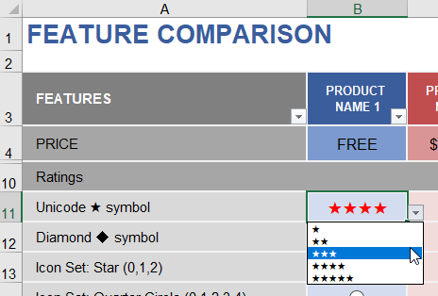

SEE ALSO | Using Unicode Characters in Excel

Create a Drop-Down List using a Dynamic Named Range

If you want to allow a drop-down list to be customized, such as a list of foods or expense categories, you can use a reference like $A$1:$A$100 to allow up to 100 entries. However, the drop-down list will show a lot of blank values at the end, making it more difficult to scroll through the list items. Using a dynamic named range allows the list to extend only to the last value.

Step 1: Create the dynamic named range.

Go to Formulas > Name Manager to see the list of named ranges.

Formula: | category_list =OFFSET( label_cell, 1, 0, MATCH("zzzzz",list_range,1)-1, 1)

Step 2: Use the named range in the Source field for the drop down list.

 | Categories |  | Date | Category | Amount
 | Fuel |  | 2017-09-12 | Supplies | $(45.00)
 | Supplies |  | 2017-10-15 | Rent | $(850.00)
 | Groceries |  | 2017-10-16 | Fuel | $(35.00)
 | Rent

CAUTION | The formula for the dynamic named range above only finds the last TEXT value in the range, assuming there are no special text symbols. For an explanation of other formulas you can use for dynamic named ranges, see the article below.

SEE ALSO | Dynamic Named Ranges

Dependent Drop-Down Lists Using CHOOSE or INDIRECT

The reference or formula that you use for the data validation drop-down list must be a direct reference to a range, or a named range or formula that returns a reference. Using CHOOSE is the simplest method I know of for creating dependent drop-down lists. INDIRECT also works well. In the example below, I want the drop-down list for the Category column to use the list of expenses if the Type is Expense. If the Type is Income, I want the Category list to use the list of income categories.

Method 1: Using CHOOSE without named ranges

Source: | =CHOOSE(MATCH(type,type_values,0), expense_range, income_range)

 | Expense | Income |  | Date | Type | Category | Amount
 | Fuel | Wages |  | 2017-09-12 | Expense | Fuel | $(45.00)
 | Supplies | Gifts |  | 2017-10-15 | Income | Gifts | $50.00
 | Groceries |  |  | 2017-10-16 | Expense | Supplies | $(35.00)

Method 2: Using INDIRECT with named ranges

First, define the named ranges "Expense_range" and "Income_range." Then, use the INDIRECT function for the Source to concatenate the value in the Type column with the text "_range" to form the reference "Expense_range" or "Income_range."

Source: | =INDIRECT(type&"_range")

 |  |  |  | Date | Type | Category | Amount
 |  |  |  | 2017-09-12 | Expense | Fuel | $(45.00)
 |  |  |  | 2017-10-15 | Income | Gifts | $50.00
 |  |  |  | 2017-10-16 | Expense | Supplies | $(35.00)

Method 3: Using INDEX to return a dynamic reference

If you use the reference syntax for the INDEX function to return a range, you can use INDEX to return column 1 or column 2 of the option table using the MATCH function for the column number. Leaving the row number blank in the INDEX function means it will return the entire column. I don't think this method is as elegant or flexible as the CHOOSE or INDIRECT approach.

Source: | =INDEX(option_table_data_range,,MATCH(label,option_table_labels,0))

 |  |  |  | Date | Type | Category | Amount
 |  |  |  | 2017-09-12 | Expense | Fuel | $(45.00)
 |  |  |  | 2017-10-15 | Income | Gifts | $50.00
 |  |  |  | 2017-10-16 | Expense | Supplies | $(35.00)

Drop-Down Lists Combined with Conditional Formatting

Even though you can't show different colors within the drop-down list, you can use conditional formatting to display icon sets instead of numeric values (like the first example below), or use conditional formatting to highlight cells based on their values (like the second example).

TEMPLATE | See it in action: Task List Template

 | PRIORITY |  | PRIORITY
 | 4 |  | High
 | 3 |  | Medium
 | 2 |  | Low
 | 1

 | REFERENCES

ARTICLE | Using Unicode Characters in Excel

ARTICLE | Add Cool Features to Your To Do Lists in Excel

